Instructions
INSTRUCTIONS FOR COMPLETING A CMS SPACE REQUEST FORM - LEASED
FOR LEASED PROPERTY
(Form Il 401-0006 rev. 3/16/21)

The Space Request Form shall be completed by the Using Agency requesting space in a building leased by the State or requesting space in a building to be leased by the State through a Request For Information (RFI) process. The Space Request Form is also required for requesting the renewal of an existing lease, requesting termination of an existing lease, requesting an amendment to an existing lease and for requesting tenant improvements to leased property during the term of the lease. An agency requesting delegation of leasing authority must also complete a Space Request Form.

Any action requested by a Using Agency relating to space needs for leased property requires the submittal of a completed Space Request Form to the Bureau of Property Management (BoPM) Leasing Department. Contact information is available at the bottom of this page.

Complete the Space Request Form as follows:

1 | CONTACT INFORMATION: Enter the name and address of the Using Agency requesting CMS approval for action relating to the agency’s space needs. Include the name of the “Agency Contact” person with CMS BoPM Leasing, their title, telephone number(s) and email address for correspondence.

 | Enter the name, current address, and number of staff of the unit (Department, Bureau, Division, Section, etc.) to occupy newly acquired space or occupying the existing space for which requested action applies. Include the name of the “Agency Fiscal Contact” person with their title, telephone number(s) and email address for correspondence as cost may be involved.

2 | ACTION REQUESTED: Use the drop down menu to select the desired action of BoPM Leasing department regarding an existing or new lease. If a new lease or a lease relocation is expected to be under 10,000 Square Feet and cost under $100,000 per year then please select the Alt-RFI under 10,000 SF under $100,000 year option from the drop down. If the action requested is related to an existing lease please be sure to include the existing Lease Number and it's current Expiration Date. If the action selected was IGA/IAA for new location, please indicate in the IGA/IAA Identified Opportunity box, the location and the agency, institution or governmental entity this desired IGA/IAA will be with. This information is critical for assisting CMS in identifying the most appropriate action to take to accomplish the action requested.

 | Enter the desired lease term. The standard lease term is five years (60 months) with a termination option. A renewal option may be included in the lease terms, for a maximum lease term of 10 years (120 months). All leases are subject to termination and cancellation in any year for which the General Assembly fails to make an appropriation to make payments under the terms of the lease. Enter the primary site and building use. If additional space is needed for any expansion, please attach additional documentation. Enter the appropriation funding source for "non-consolidated" agencies, and the maximum rental rate desired for this space.

3 | LOCATION REQUESTED: Enter the “City/Area” and “County” requested to satisfy the Using Agency’s programmatic needs and provide proper justification as to why. Include “Boundaries” (road and street or other identifiable geographical boundaries) when the Using Agency’s programmatic needs are specific to particular locations. For example, a location along a public transportation route may increase client accessibility to services. Please note that in some instances location requested may return zero (0) bids and it may be necessary for agencies to provide a larger perimeters for the location.

4 | PERSONNEL SPACE: Information only needs to be entered in the Business Unit "(BU) Name", "Number of Full Time Positions", "Number of Part Time Positions" and "Comments" fields. The "Subtotal" and "BU Total SF" fields are automatically updated as the user enters information in the "Number of Positions" field. In the space provided, list each business unit name. For each space type designate the number of employees in the unit that are either Part-time or Full-time in the two columns. In the comments section please highlight any offices, workstations or cubicles that have been included for field staff or as secondary office space for senior personnel who may also have an office at another location.

 | Under the Projected Head Count (HC) list any additional positions that are expected to be added to the unit in the next two years and the anticipated office space type needed. This projection should not reflect the agency or business unit organizational chart open positions. Only list positions that have been approved and budgeted to be added in the next 2 fiscal years.

 | Per the new CMS Space Standards (effective September 1, 2020), space type for each position to be designated as standard, medium or executive office space, standard, medium or executive cubicle space, or Bench space (open interior workstation). "Professional" full-time employees may be assigned either an office or a cubicle. Any request for "Professional" office space must include justification (examples: security, confidentiality, private consultation) in the comments section. "Field Staff" employees may be assigned either a cubicle or an open space. No less that two (2) Field Staff shall be assigned to each individual work station.

 | The spreadsheet will automatically calculate the subtotal area allowance (see Office Space Standards and Area Allowance below) for the Business Unit. The area allowance takes into consideration the share of circulation space required for each position type. The spreadsheet then automatically calculates the total square feet required per personnel type by adding the subtotal personnel area to the subtotal area allowance. As the number of positions are entered, the subtotal per position, subtotal area allowance per position, and total square feet for each business unit will be automatically calculated.

 | If more than seven business units will be occupying the space, call the CMS-BoPM for clarification.

 | If the Using Agency's intention is to renew the lease in the existing location, please list existing square footage in the comment section.

 | Office Space Standards
 | Enclosed Interior Office Spaces
 | Personnel Type | Directors/Deputy Directors
 | Space Type | Executive Office
 | Area (SF) | 225 to 250 Note preferences for executive office layout in the comments section of 'Worksheet - Personnel Space'. Alternatives larger than 250 SF require business case justification.
 | Illustrative furniture layout | Alt. 1 | 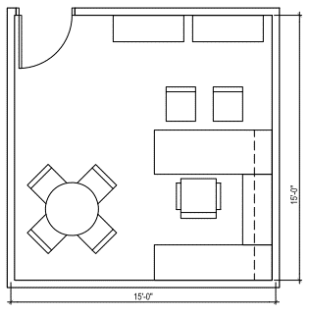 Alt. 2 | 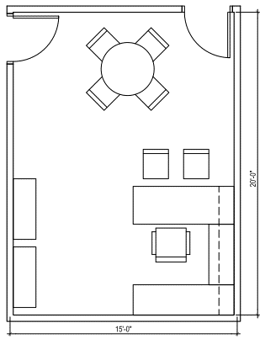 Alt. 3

 | Personnel Type | Department / Agency Executive Staff (COS, COO, GC) | Division/Bureau Heads | Employees conducting private/confidential business | Managers and legal staff
 | Space Type | Large Office | Medium Office | Standard Office | Small Office
 | Area (SF) | 180 | 150 | 120 | 100
 | Illustrative furniture layout | 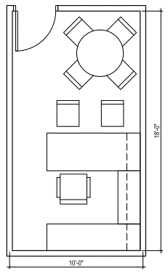

 | Open Interior Work Station Spaces
 | Personnel Type | Managerial Staff / Professional Staff with unique requirements (CMS approval required) | Managerial Staff / Professional Staff | Professional Staff
 | Space Type | Executive Cubicle | Large Cubicle | Medium Cubicle
 | Area (SF) | 80 | 64 | 48
 | Illustrative furniture layout | 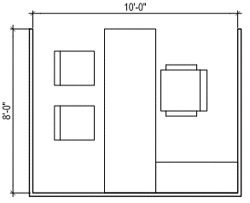 layout may or may not have guest seats | 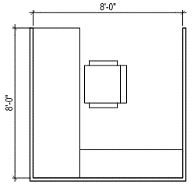

 | Personnel Type | Professional Staff / Clerical Staff | Staff / Clerical/ Field Staff
 | Space Type | Standard Cubicle | Bench (Open Work Station)
 | Area (SF) | 36 | 25 to 30
 | Illustrative furniture layout

5 | COMMON OFFICE SPACE: Information only needs to be entered in the "Requested Quantity" and "Comments" fields in this section. The "Subtotal" and "Total SF" fields are automatically updated as the user completes the "Requested Qty." field. List the number of each type of common and support space required. See the Common Office Space Standards table below. If the conference room standards listed below do not meet the department's needs, an additional space may be entered under “Additional Space Requests” along with the required area and a justification in the comments section. Conference Rooms should be established only when they will be used at least 15 hours per week. Approximately 20 half-day sessions per month are considered justification for one room.

 | Space Type | Huddle | Huddle | Huddle
 | Size | Small | Medium | Large
 | Seats / Area | 4 seats / 64 SF | 6 seats / 100 SF | 8 seats / 165 SF
 | Illustrative furniture layout |  | 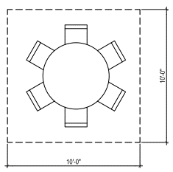 | 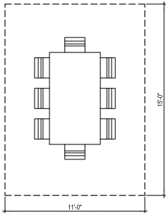

 | Space Type | Conference | Conference | Conference
 | Size | Small | Medium | Large - Alt. 1
 | Seats / Area | 8 seats / 165 SF | 12 seats / 273 SF | 20-30 seats / 750 SF
 | Illustrative furniture layout |  | 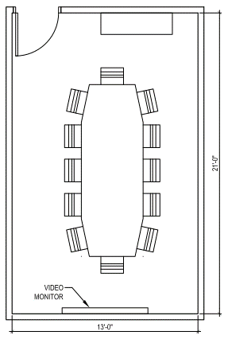 | 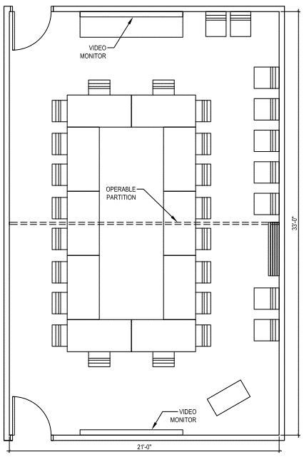

 | Space Type | Conference |  | Conference
 | Size | Large - Alt. 2A |  | Large - Alt. 2B
 | Seats / Area | 20-40 seats / 760 SF |  | 20-40 seats / 760 SF
 | Illustrative furniture layout | 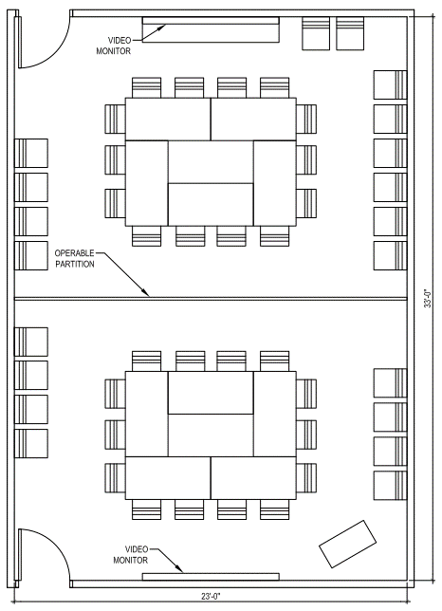 |  | 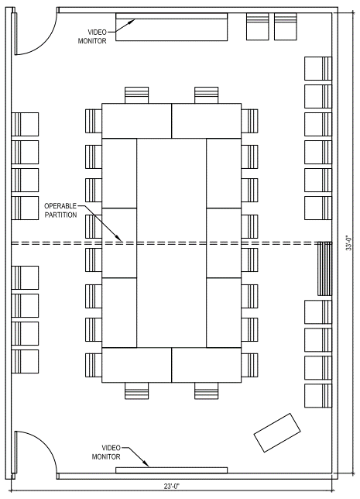

 | Space Type | Break Room | Break Room | Break Room | Break Room
 | Size | Mini | Small | Medium | Large
 | Seats / Area | 0-2 seats / 64 SF | 8 seats / 150 SF | 16 seats / 250 SF | 24 seats / 378 SF
 | Illustrative furniture layout | If an enclosed room, table and chairs will be omitted due to ADA requirements. |  | 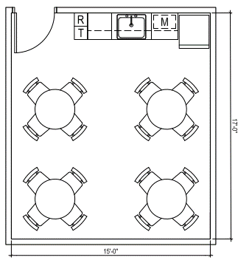 | 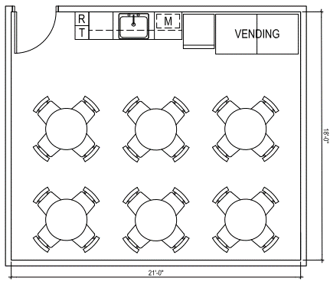

 | STORAGE SPACE: Information only needs to be entered in the "Requested Quantity" and "Comments" fields in this section. The "Subtotal" and "Total SF" fields are automatically updated as the user completes the "Requested Qty." field. To the maximum extent feasible, lockable storage cabinets in lieu of walled storage and supply areas shall be used. Special Requirements should be entered under the “comments” column (example: structural support for concentrated loading, security locksets, etc.). For supply room space, any heavy equipment including safes or large volumes of books or files must be noted so CMS is able to determine specific floor loading requirements. Additional storage spaces such as file rooms may be entered under "Additional Space Requests" along with the required area (example: a larger or smaller Copy / Mail Room requirement).

 | The space allocated for Assembly Areas, Common Office Areas and Storage Areas will be based upon a multiple of the allocation for the standard interior office space to facilitate future reconfiguration of space. Special requirements for each space should be entered under the “Comments” column. Before submitting this space request, review any union contracts for compliance with provisions of the contract.

 | SPECIALTY SPACES: Spaces that are not captured under the standard fields such as hearing rooms and computer rooms may be entered in the Common Spaces worksheet under "Specialty Space Requests". This is optional and may not be necessary for all agencies. Written justification may be required for specialty spaces.

 | Space Type | Hearing Room
 | Seats / Area | 6 seats / 300 SF
 | Illustrative furniture layout | 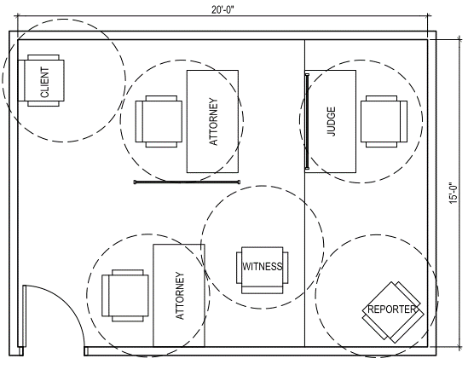

6 | SUMMARY OF SPACE NEEDS: The Summary of Space Needs tab will automatically calculate the total Personnel and Common space required and the percentages of each of the total rentable square footage. Here you can also compare your requested space to industry standards. If the Space Requested is significantly above industry standards then a written justification will likely be required.

7 | CHECKLISTS: The Workstation, Building, Technology, and Site Requirement Checklists help CMS to better match the Using Agency’s needs with an appropriate site.

 | For each question on the Workstation, Building, and Technology Checklists, enter a “Y” if the question applies to the Using Agency or an “N” if the question does not apply to the Using Agency. Add comments as necessary to better explain the Using Agency’s needs.

8 | PARKING: This may not be applicable for Agency's request. If it is, for each item on the Site Requirement Checklist, enter the requested number of parking spaces requested by the Agency. Please identify the request for Using Agency’s staff and clients and the number of handicap accessible spaces that may be requested for any accommodation. Please provide justification for the request. CMS may enter an adjustment based on the type and amount of parking requested and request additional information from the User Agency prior to approvals or rejection or adjustment. The requested number of parking spaces will be automatically calculated as the number is entered. The total number of parking spaces will be calculated when CMS reviews the form.

 | Under Parking Space Information, enter the space number, employee the space is assigned to, the employee's title, and license plate number, and whether or not the space will be used by a motor pool vehicle. If the space will be designated for client parking, enter "Client" in the "Assigned To" column.
...

6. Summary of Space Needs
Central Management Services
Bureau of Property Management/Real Estate
SPACE REQUEST FORM - LEASED
Space Worksheet

6. SUMMARY OF SPACE NEEDS (PERSONNEL & COMMON OFFICE)

RSF |  |  | Total Space Required (Current Personnel & Common Space)
Total Space by Category (NSF)
Personnel Space | USF
Common Office Space | USF
Specialty Space | USF
 |  | Current | Year 1 (next 12 months) | Year 2 (12-24 months) | Total
 | USF | 0 | 0 | 0 | 0
 | RSF | 0 | 0 | 0 | 0

 | USF = NSF + 33% for circulation within the dept/agency suite (circulation equals 25% of USF)
 | RSF = USF + 20% load factor for building circulation and building support space

Office to Cubicle Ratio - Current Personnel
 | Target
 | 20% | 0
 | 12% | 0
 | 68%
Enclosed Interior Office Spaces
Open Interior Work Station Spaces
Target office % range
 | 0 | Total Personnel (Current Headcount)

Programmed office %
 |  | Current | Year 1 (next 12 months) | Year 2 (12-24 months) | Total
 | Full- time | 0 | 0 | 0 | 0
 | PT / Field | 0 | NA | NA | 0
 | Total | 0 | 0 | 0 | 0
 | RSF/ person | #VALUE! | NA | NA | #VALUE! | Hatch indicates benchmark target range for offices of 20% - 32% based on benchmarks

Personnel Space Totals
 |  | Space Type |  |  |  | Total Count | Subtotal (NSF) | Subtotal (USF)
Current |  | Enclosed Interior Office Spaces |  |  |  | 0 | 0
 |  | Open Interior Work Station Spaces |  |  |  | 0 | 0
 |  | Personnel Space |  |  |  | 0 | 0 | USF

Year 1 |  | Enclosed Interior Office Spaces |  |  |  | 0 | 0
 |  | Open Interior Work Station Spaces |  |  |  | 0 | 0
 |  | Personnel Space |  |  |  | 0 | 0 | USF
...

